Introduction
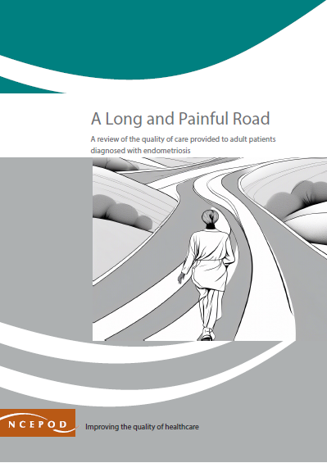

Endometriosis
Audit Toolkit

To be completed for patients with a primary surgical diagnosis of endometriosis admitted to hospital and who underwent a diagnostic laparoscopy/treatment for endometriosis. The time period for the audit tool is the admission that included that diagnostic laparoscopy/treatment of endometriosis. In the NCEPOD study, patients were aged 18 or older.

Thank you for downloading the toolkit for ''A Long and Painful Road." We hope you find this useful. If you have any feedback, please email us at info@ncepod.org.uk Please could you advise your local audit department if you plan to undertake this audit. It is important that they are made aware of it for the benefit of demonstrating Trust/Health Board activity and also so that they are in a position to support you and endorse the activity for your benefit.
Please complete as many questions which are applicable to the care of the patient.
For information on the recommendation to which each question assesses, please click on the button
This toolkit can be used in conjunction with the Recommendation Checklist. Further implementation tools can be found by clicking on the adjacent report image or this link:
https://ncepod.org.uk/2024endometriosis.html

Summary
Extent to which each recommendation has been met (%)
Recommendation - Sub criteria question number (reference)
4 | 5 | 6 | 7 | 8 | 9 | 10 | 11 | RAG system (NCEPOD recommends these are set at the following limits, however these can be adapted by your Trust/Health Board where appropriate by amending the thresholds as required) |  |  | %
5a | 7 | 9 | 15 | 16a | 18 | 23a | 25
5b | 8b | 10a |  | 16b | 19 | 23b | 26
5c |  | 10b |  | 16c | 20 | 24 | 27
6 |  | 11 |  | 16d | 21
 |  | 12 |  | 16e | 22 |  |  | Green |  |  | 100
 |  | 13 |  | 16f |  |  |  | Amber |  |  | 50-99
 |  | 14 |  | 16g |  |  |  | Red |  |  | 0-49
 |  |  |  | 17
Sub criteria scoring and average per Recommendation below
(the chart will only populate once all questions for a particular Recommendation have been answered in the Audit Tool worksheet)

Recommendation - Sub criteria questions (score) |  |  |  |  |  |  |  | Average % of recommendation
4 | 5 | 6 | 7 | 8 | 9 | 10 | 11 | 4 | 5 | 6 | 7 | 8 | 9 | 10 | 11
No data | No data | No data | No data | No data | No data | No data | No data | No data | No data | No data | No data | No data | No data | No data | No data
No data | No data | No data |  | No data | No data | No data | No data
No data |  | No data |  | No data | No data | No data | No data
No data |  | No data |  | No data | No data
 |  | No data |  | No data | No data
 |  | No data |  | No data
 |  | No data |  | No data
 |  |  |  | No data

